TCAG Sample Submission Form
The Centre for Applied Genomics -- The Hospital for Sick Children -- Peter Gilgan Centre for Research and Learning -- 686 Bay Street, Room 139800 Toronto, Ontario M5G 0A4, Canada
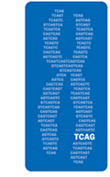

 | The Centre for Applied Genomics
 | Genome Resources

Please enter contact information for questions regarding sample re-works and/or data transferring
Name
Email

1 Choose service from drop down menu if known. If not in list, please choose "Other" and describe in column M.

Sample/Clone Name | If for use as a FISH probe, choose fluor | Service1 | Additional Comments

